Brand Information
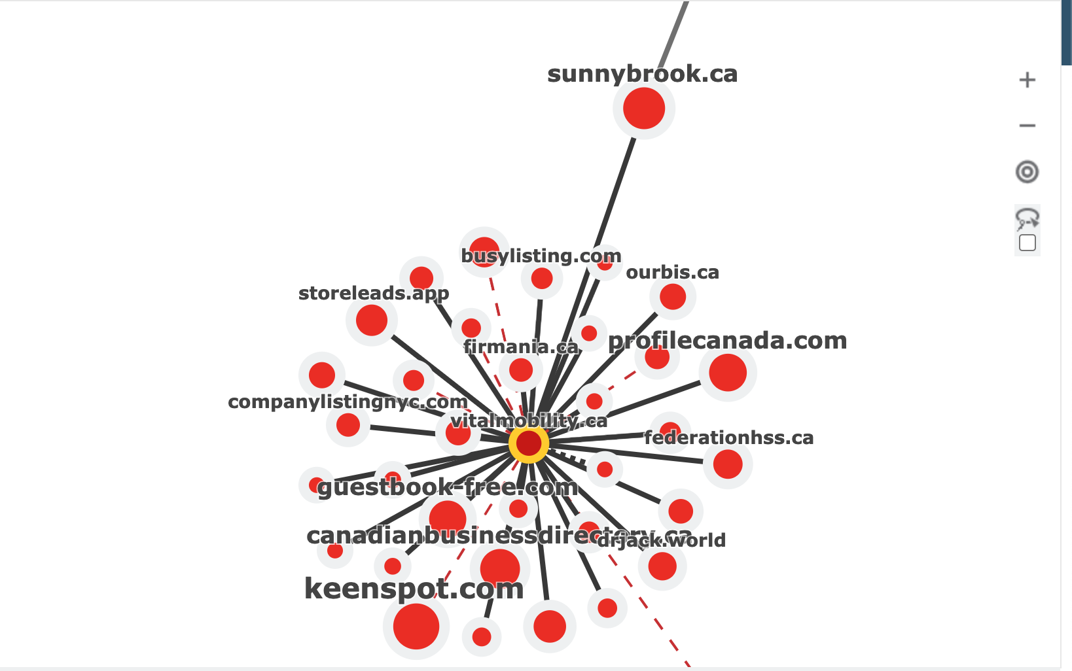
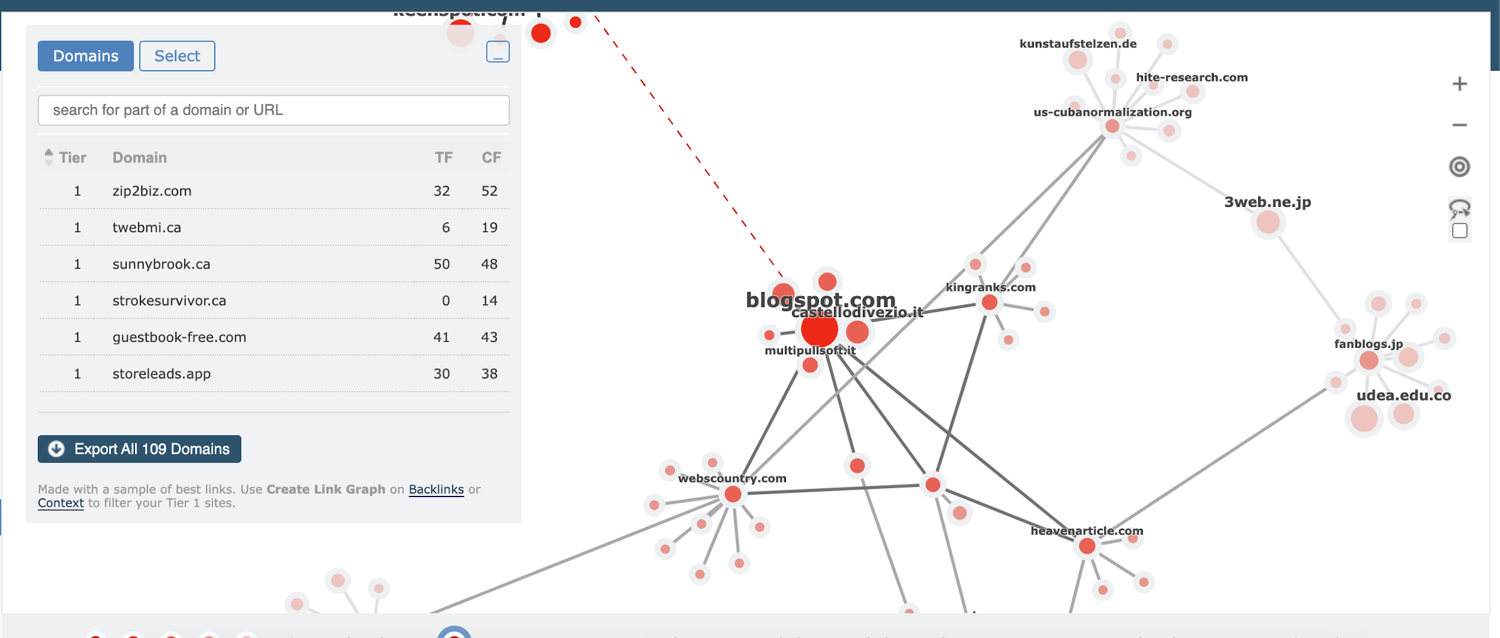
 | 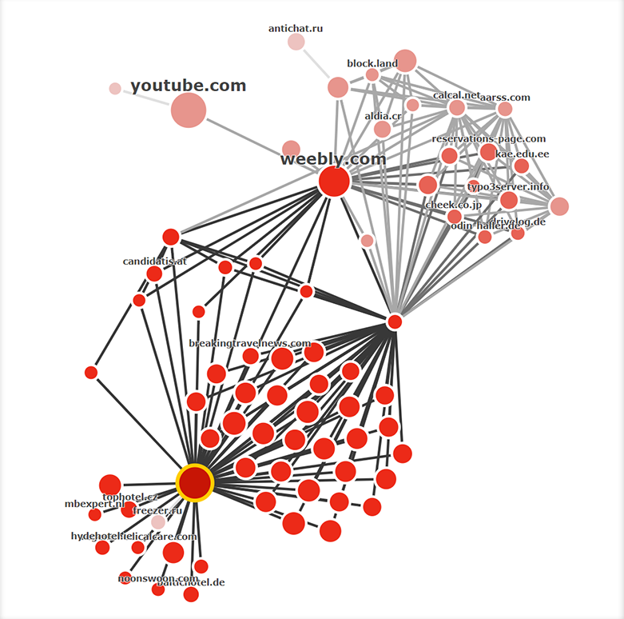 Foundational Network

 | Brand Information
1 | Website | https://www.vitalmobility.ca/
3 | Company Owner | Bruno Rzeznikieiwiz
4 | Business Name | Vital Mobility
5 | Address Line 1 | 130 Bass Pro Mills Drive #62, Concord, ON L4K 5X2
6 | City | Concord
7 | Province/State | ON
8 | Zip Code | 94518
9 | Phone (local) | (905) 532-9494
10 | Additional Business Information
11 | Hours of operation |  | Friday | 9: 00am-5:00pm
12 | Year Founded | 2008-12-18 | Saturday | 10:00am-2:00pm
13 | Headline/Tagline | Vital Mobility | Medical Equipment Toronto | Medical Supply Toronto | Wheelchair Rental | Sunday | Closed
14 | Business Description (minimum 400 characters) | Introducing Vital Mobility Home Health Care Toronto, your premier source for hospital bed rentals, mobility scooter rentals, lift chairs rentals, and wheelchair rental. Elevate your comfort and independence—explore our top-notch rental solutions today! | Monday | 9: 00am-5:00pm
15 | Payment Types Accepted | All | Tuesday | 9: 00am-5:00pm
16 | Contractor #/License # | They dont have one - Business license they do | Wednesday | 9: 00am-5:00pm
17 | Keyword #1 | Hospital bed rentals | Thursday | 9: 00am-5:00pm
18 | Keyword #2 | hospital bed
19 | Keyword #3 | mobility scooter
20 | Keyword #4 | lift chairs,wheel chair rental
22 | Company Logo: | https://www.vitalmobility.ca/blog/wp-content/uploads/2016/01/vital-logo-new-pdf.pdf-2115.608-x-600-mm-1.png | I will add the transparent logo too
23 | Image 1 | https://www.vitalmobility.ca/blog/wp-content/uploads/2024/01/IMG_6270.jpg | Front store - Toronto / North York Store
24 | Image 2 | https://www.vitalmobility.ca/blog/wp-content/uploads/2024/01/IMG_6260.jpg | Delivery Van
25 | Image 3 | https://www.vitalmobility.ca/blog/wp-content/uploads/2024/01/IMG_6266.jpg | Home Hospital Beds
 | Image 4 | https://www.vitalmobility.ca/blog/wp-content/uploads/2024/01/IMG_6267.jpg | Mobility Scooters
 | Image 5 | https://www.vitalmobility.ca/blog/wp-content/uploads/2024/01/IMG_3123.jpg | Concord / Vaughan Store
26 | Existing Account Information | No
27 | Any notes or special instructions for us? | No

Roadmap Timeline


